Canada
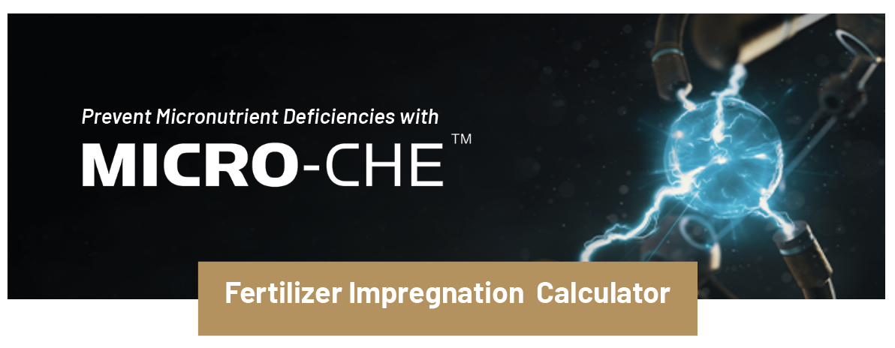

INSTRUCTIONS
Select Micro-Che product from drop down menu and input Price (SRP), application rate, and fertilizer application rate (yellow fields).

Product Name: | Select Product |  |  | i
Price (SRP) | $- | /L

Acres Treated | 44.08 | acres
Product SG: | 0 | Kg/L
Application Rate: | 1 | L/MT
Fertilizer Application Rate: | 50 | Lbs/ac

Nutrient | % Nutrient | Nutrient (gm/L) | Nutrient Equivalent* (gm/L) | Nutrients Applied (gm/ac) | Nutrients Applied (lb/ac)
Zn | 0% | 0 | 0 | 0.0 | 0.000
B | 0% | 0 | 0 | 0.0 | 0.000
Cu | 0% | 0 | 0 | 0.0 | 0.000
Mn | 0% | 0 | 0 | 0.0 | 0.000
Cost/ac (SRP) | $-
* EDTA Efficiency factor @ 8:1
* Complexed Boric acid Efficiency factor @ 4:1

